Dashboard
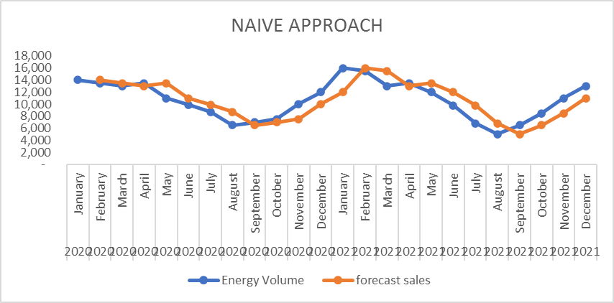
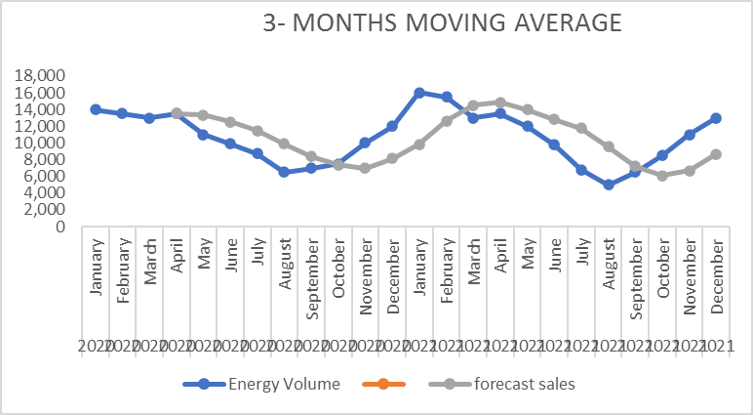
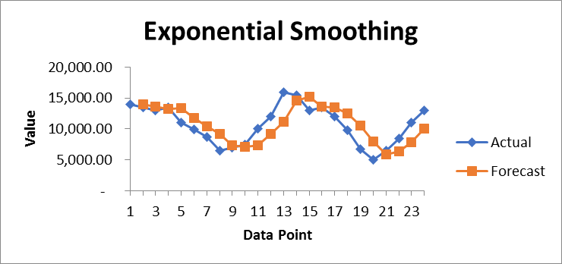
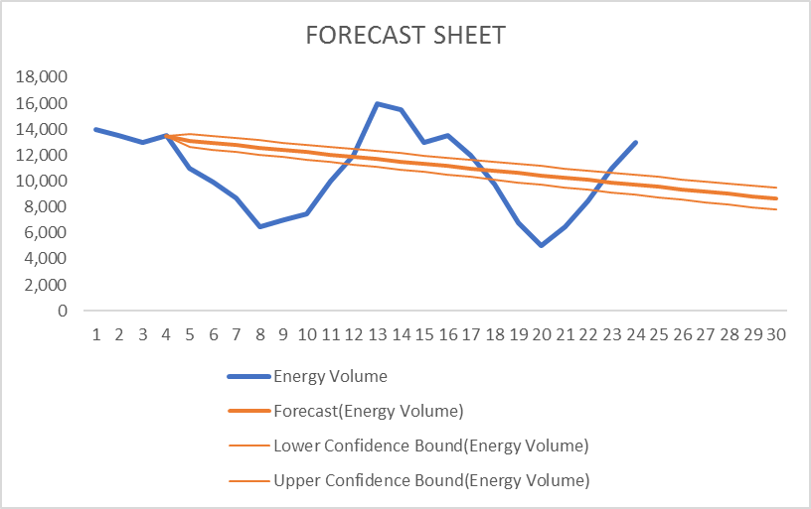
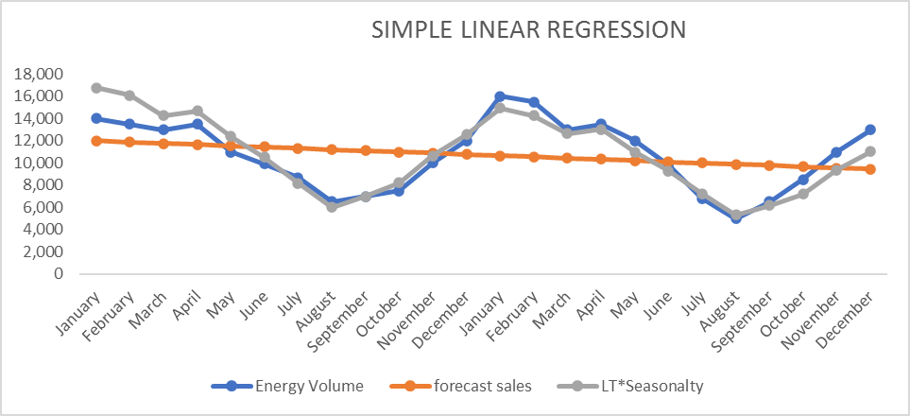
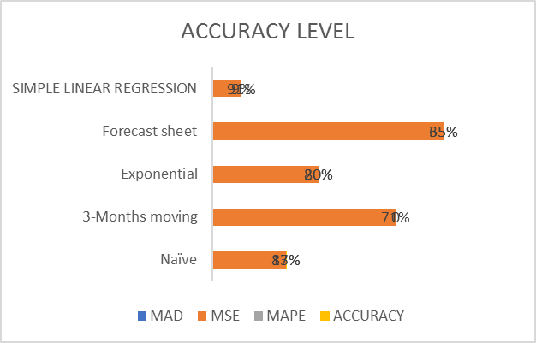
ENERGY CONSUMPTION FORECAST

naive approa
Year | Month | Energy Volume | forecast sales | error/dev | abs error | abs sqd error | abs percent error
2020 | January | 14,000 |  |  |  |  |  | EVALUATION
2020 | February | 13,500 | 14,000 | -500 | 500.00 | 250,000.00 | 4% | MAD | MEAN ABSOLUTE ERROR/DEVIATION | 1,652.17
2020 | March | 13,000 | 13,500 | -500 | 500.00 | 250,000.00 | 4% | MSE | MEAN SQUARED ERROR | 3,644,347.83
2020 | April | 13,500 | 13,000 | 500 | 500.00 | 250,000.00 | 4% | MAPE | MEAN ABSOLUTE PERCENTAGE ERROR | 17%
2020 | May | 11,000 | 13,500 | -2,500 | 2,500.00 | 6,250,000.00 | 23%
2020 | June | 9,900 | 11,000 | -1,100 | 1,100.00 | 1,210,000.00 | 11%
2020 | July | 8,700 | 9,900 | -1,200 | 1,200.00 | 1,440,000.00 | 14% |  | ACCURACY (100% - MAPE)
2020 | August | 6,500 | 8,700 | -2,200 | 2,200.00 | 4,840,000.00 | 34% |  | NAÏVE APPROACH | 83%
2020 | September | 7,000 | 6,500 | 500 | 500.00 | 250,000.00 | 7%
NAIVE APPROACH
 | Energy Volume | forecast sales
January | 14,000
February | 13,500 | 14,000
March | 13,000 | 13,500
April | 13,500 | 13,000
May | 11,000 | 13,500
June | 9,900 | 11,000
July | 8,700 | 9,900
August | 6,500 | 8,700
September | 7,000 | 6,500
October | 7,500 | 7,000
November | 10,000 | 7,500
December | 12,000 | 10,000
January | 16,000 | 12,000
February | 15,500 | 16,000
March | 13,000 | 15,500
April | 13,500 | 13,000
May | 12,000 | 13,500
June | 9,800 | 12,000
July | 6,800 | 9,800
August | 5,000 | 6,800
September | 6,500 | 5,000
October | 8,500 | 6,500
November | 11,000 | 8,500
December | 13,000 | 11,000
2020 | October | 7,500 | 7,000 | 500 | 500.00 | 250,000.00 | 7%
2020 | November | 10,000 | 7,500 | 2,500 | 2,500.00 | 6,250,000.00 | 25%
2020 | December | 12,000 | 10,000 | 2,000 | 2,000.00 | 4,000,000.00 | 17%
2021 | January | 16,000 | 12,000 | 4,000 | 4,000.00 | 16,000,000.00 | 25%
2021 | February | 15,500 | 16,000 | -500 | 500.00 | 250,000.00 | 3%
2021 | March | 13,000 | 15,500 | -2,500 | 2,500.00 | 6,250,000.00 | 19%
2021 | April | 13,500 | 13,000 | 500 | 500.00 | 250,000.00 | 4%
2021 | May | 12,000 | 13,500 | -1,500 | 1,500.00 | 2,250,000.00 | 13%
2021 | June | 9,800 | 12,000 | -2,200 | 2,200.00 | 4,840,000.00 | 22%
2021 | July | 6,800 | 9,800 | -3,000 | 3,000.00 | 9,000,000.00 | 44%
2021 | August | 5,000 | 6,800 | -1,800 | 1,800.00 | 3,240,000.00 | 36%
2021 | September | 6,500 | 5,000 | 1,500 | 1,500.00 | 2,250,000.00 | 23%
2021 | October | 8,500 | 6,500 | 2,000 | 2,000.00 | 4,000,000.00 | 24%
2021 | November | 11,000 | 8,500 | 2,500 | 2,500.00 | 6,250,000.00 | 23%
2021 | December | 13,000 | 11,000 | 2,000 | 2,000.00 | 4,000,000.00 | 15%

moving average
Year | Month | Energy Volume | forecast sales | error/dev | abs error | abs squared | abs percent error | EVALUATION
2020 | January | 14,000 |  |  |  |  |  | MAD | MEAN ABSOLUTE ERROR/DEVIATION | 2,738
2020 | February | 13,500 |  |  |  |  |  | MSE | MEAN SQUARED ERROR | 9,955,926
2020 | March | 13,000 |  |  |  |  |  | MAPE | MEAN ABSOLUTE PERCENTAGE ERROR | 29%
2020 | April | 13,500 | 13,500 | 0 | 0 | 0 | 0%
2020 | May | 11,000 | 13,333 | -2,333 | 2,333 | 5,444,444 | 21%
2020 | June | 9,900 | 12,500 | -2,600 | 2,600 | 6,760,000 | 26% |  | ACCURACY (100% - MAPE)
2020 | July | 8,700 | 11,467 | -2,767 | 2,767 | 7,654,444 | 32% |  | MOVING APPROACH | 71%
2020 | August | 6,500 | 9,867 | -3,367 | 3,367 | 11,334,444 | 52%
2020 | September | 7,000 | 8,367 | -1,367 | 1,367 | 1,867,778 | 20%
3- MONTHS MOVING AVERAGE
 | Energy Volume |  | forecast sales
January | 14,000
February | 13,500
March | 13,000
April | 13,500 |  | 13500
May | 11,000 |  | 13333.333333
June | 9,900 |  | 12500
July | 8,700 |  | 11466.666667
August | 6,500 |  | 9866.6666667
September | 7,000 |  | 8366.6666667
October | 7,500 |  | 7400
November | 10,000 |  | 7000
December | 12,000 |  | 8166.6666667
January | 16,000 |  | 9833.3333333
February | 15,500 |  | 12666.666667
March | 13,000 |  | 14500
April | 13,500 |  | 14833.333333
May | 12,000 |  | 14000
June | 9,800 |  | 12833.333333
July | 6,800 |  | 11766.666667
August | 5,000 |  | 9533.3333333
September | 6,500 |  | 7200
October | 8,500 |  | 6100
November | 11,000 |  | 6666.6666667
December | 13,000 |  | 8666.6666667
2020 | October | 7,500 | 7,400 | 100 | 100 | 10,000 | 1%
2020 | November | 10,000 | 7,000 | 3,000 | 3,000 | 9,000,000 | 30%
2020 | December | 12,000 | 8,167 | 3,833 | 3,833 | 14,694,444 | 32%
2021 | January | 16,000 | 9,833 | 6,167 | 6,167 | 38,027,778 | 39%
2021 | February | 15,500 | 12,667 | 2,833 | 2,833 | 8,027,778 | 18%
2021 | March | 13,000 | 14,500 | -1,500 | 1,500 | 2,250,000 | 12%
2021 | April | 13,500 | 14,833 | -1,333 | 1,333 | 1,777,778 | 10%
2021 | May | 12,000 | 14,000 | -2,000 | 2,000 | 4,000,000 | 17%
2021 | June | 9,800 | 12,833 | -3,033 | 3,033 | 9,201,111 | 31%
2021 | July | 6,800 | 11,767 | -4,967 | 4,967 | 24,667,778 | 73%
2021 | August | 5,000 | 9,533 | -4,533 | 4,533 | 20,551,111 | 91%
2021 | September | 6,500 | 7,200 | -700 | 700 | 490,000 | 11%
2021 | October | 8,500 | 6,100 | 2,400 | 2,400 | 5,760,000 | 28%
2021 | November | 11,000 | 6,667 | 4,333 | 4,333 | 18,777,778 | 39%
2021 | December | 13,000 | 8,667 | 4,333 | 4,333 | 18,777,778 | 33%

exponential
Year | Month | Energy Volume | forecast sales | error/dev | abs error | abs sqd error | abs percent error
2020 | January | 14,000.00 | #N/A |  |  |  |  | EVALUATION
2020 | February | 13,500.00 | 14,000.00 | -500.00 | 500.00 | 250,000.00 | 4% | MAD | MEAN ABSOLUTE ERROR/DEVIATION | 1,926.60
2020 | March | 13,000.00 | 13,650.00 | -650.00 | 650.00 | 422,500.00 | 5% | MSE | MEAN SQUARED ERROR | 5,254,855.20
2020 | April | 13,500.00 | 13,195.00 | 305.00 | 305.00 | 93,025.00 | 2% | MAPE | MEAN ABSOLUTE PERCENTAGE ERROR | 20%
2020 | May | 11,000.00 | 13,408.50 | -2,408.50 | 2,408.50 | 5,800,872.25 | 22%
2020 | June | 9,900.00 | 11,722.55 | -1,822.55 | 1,822.55 | 3,321,688.50 | 18% |  | ACCURACY (100% - MAPE)
2020 | July | 8,700.00 | 10,446.77 | -1,746.76 | 1,746.76 | 3,051,187.97 | 20% |  | EXPONENTIAL SMOOTHING | 80%
2020 | August | 6,500.00 | 9,224.03 | -2,724.03 | 2,724.03 | 7,420,336.72 | 42%
2020 | September | 7,000.00 | 7,317.21 | -317.21 | 317.21 | 100,621.45 | 5%
Exponential Smoothing
2020 | October | 7,500.00 | 7,095.16 | 404.84 | 404.84 | 163,893.28 | 5%
2020 | November | 10,000.00 | 7,378.55 | 2,621.45 | 2,621.45 | 6,872,006.41 | 26%
2020 | December | 12,000.00 | 9,213.56 | 2,786.44 | 2,786.44 | 7,764,222.02 | 23%
2021 | January | 16,000.00 | 11,164.07 | 4,835.93 | 4,835.93 | 23,386,224.85 | 30%
2021 | February | 15,500.00 | 14,549.22 | 950.78 | 950.78 | 903,981.05 | 6%
2021 | March | 13,000.00 | 15,214.77 | -2,214.77 | 2,214.77 | 4,905,189.52 | 17%
2021 | April | 13,500.00 | 13,664.43 | -164.43 | 164.43 | 27,037.18 | 1%
2021 | May | 12,000.00 | 13,549.33 | -1,549.33 | 1,549.33 | 2,400,420.23 | 13%
2021 | June | 9,800.00 | 12,464.80 | -2,664.80 | 2,664.80 | 7,101,152.05 | 27%
2021 | July | 6,800.00 | 10,599.44 | -3,799.44 | 3,799.44 | 14,435,741.32 | 56%
2021 | August | 5,000.00 | 7,939.83 | -2,939.83 | 2,939.83 | 8,642,611.49 | 59%
2021 | September | 6,500.00 | 5,881.95 | 618.05 | 618.05 | 381,986.34 | 10%
2021 | October | 8,500.00 | 6,314.58 | 2,185.42 | 2,185.42 | 4,776,039.29 | 26%
2021 | November | 11,000.00 | 7,844.38 | 3,155.62 | 3,155.62 | 9,957,966.23 | 29%
2021 | December | 13,000.00 | 10,053.31 | 2,946.69 | 2,946.69 | 8,682,966.41 | 23%

Sheet6
Period | Energy Volume | Forecast(Energy Volume) | Lower Confidence Bound(Energy Volume) | Upper Confidence Bound(Energy Volume)
1 | 14000
2 | 13500
3 | 13000
4 | 13500
5 | 11000
6 | 9900
 | Energy Volume | Forecast(Energy Volume) | Lower Confidence Bound(Energy Volume) | Upper Confidence Bound(Energy Volume)
 | 14000
 | 13500
 | 13000
 | 13500
 | 11000
 | 9900
 | 8700
 | 6500
 | 7000
 | 7500
 | 10000
 | 12000
 | 16000
 | 15500
 | 13000
 | 13500
 | 12000
 | 9800
 | 6800
 | 5000
 | 6500
 | 8500
 | 11000
 | 13000 | 13000 | 13000 | 13000
 |  | 12889.043478 | 9313.9098881 | 16464.177068
 |  | 12778.086957 | 7724.6119148 | 17831.561998
 |  | 12667.130435 | 6476.8808288 | 18857.380041
 |  | 12556.173913 | 5405.9049451 | 19706.442881
 |  | 12445.217391 | 4447.7738029 | 20442.66098
 |  | 12334.26087 | 3569.7022011 | 21098.819538
7 | 8700
8 | 6500
9 | 7,000.00
10 | 7,500.00
11 | 10,000.00
12 | 12,000.00
13 | 16,000.00
14 | 15,500.00
15 | 13,000.00
16 | 13,500.00
17 | 12,000.00
18 | 9,800.00
19 | 6,800.00
20 | 5,000.00
21 | 6,500.00
22 | 8,500.00
23 | 11,000.00
24 | 13,000.00 | 13000 | 13,000.00 | 13,000.00
25 |  | 12,889.04 | 9,313.91 | 16,464.18
26 |  | 12,778.09 | 7,724.61 | 17,831.56
27 |  | 12,667.13 | 6,476.88 | 18,857.38
28 |  | 12,556.17 | 5,405.90 | 19,706.44
29 |  | 12,445.22 | 4,447.77 | 20,442.66
30 |  | 12,334.26 | 3,569.70 | 21,098.82

Sheet8
FORECAST SHEET
 | Energy Volume | Forecast(Energy Volume) | Lower Confidence Bound(Energy Volume) | Upper Confidence Bound(Energy Volume)
 | 14,000
 | 13,500
 | 13,000
 | 13,500 | 13500 | 13500 | 13500
 | 11,000 | 13127.436955 | 12625.747951 | 13629.125959
 | 9,900 | 12948.23974 | 12430.988645 | 13465.490836
 | 8,700 | 12769.042526 | 12236.565169 | 13301.519882
 | 6,500 | 12589.845311 | 12042.449039 | 13137.241584
 | 7,000 | 12410.648097 | 11848.61533 | 12972.680864
 | 7,500 | 12231.450882 | 11655.042091 | 12807.859673
 | 10,000 | 12052.253667 | 11461.709874 | 12642.797461
 | 12,000 | 11873.056453 | 11268.601354 | 12477.511552
 | 16,000 | 11693.859238 | 11075.701019 | 12312.017457
 | 15,500 | 11514.662024 | 10882.994924 | 12146.329124
 | 13,000 | 11335.464809 | 10690.470472 | 11980.459146
 | 13,500 | 11156.267594 | 10498.116247 | 11814.418941
 | 12,000 | 10977.07038 | 10305.921863 | 11648.218897
 | 9,800 | 10797.873165 | 10113.877839 | 11481.868491
 | 6,800 | 10618.675951 | 9921.9754975 | 11315.376404
 | 5,000 | 10439.478736 | 9730.2068685 | 11148.750603
 | 6,500 | 10260.281521 | 9538.5646163 | 10981.998426
 | 8,500 | 10081.084307 | 9347.0419703 | 10815.126643
 | 11,000 | 9901.8870921 | 9155.6326666 | 10648.141518
 | 13,000 | 9722.6898775 | 8964.3308978 | 10481.048857
 |  | 9543.4926629 | 8773.1312682 | 10313.854058
 |  | 9364.2954483 | 8582.0287546 | 10146.562142
 |  | 9185.0982337 | 8391.0186719 | 9979.1777955
 |  | 9005.9010191 | 8200.0966428 | 9811.7053954
 |  | 8826.7038045 | 8009.2585704 | 9644.1490385
 |  | 8647.5065899 | 7818.5006144 | 9476.5125653
Period | Energy Volume | Forecast(Energy Volume) | Lower Confidence Bound(Energy Volume) | Upper Confidence Bound(Energy Volume)
1 | 14,000
2 | 13,500
3 | 13,000
4 | 13,500 | 13,500 | 13,500 | 13,500
5 | 11,000 | 13,127 | 12,626 | 13,629
6 | 9,900 | 12,948 | 12,431 | 13,465
7 | 8,700 | 12,769 | 12,237 | 13,302
8 | 6,500 | 12,590 | 12,042 | 13,137
9 | 7,000 | 12,411 | 11,849 | 12,973
10 | 7,500 | 12,231 | 11,655 | 12,808
11 | 10,000 | 12,052 | 11,462 | 12,643
12 | 12,000 | 11,873 | 11,269 | 12,478
13 | 16,000 | 11,694 | 11,076 | 12,312
14 | 15,500 | 11,515 | 10,883 | 12,146
15 | 13,000 | 11,335 | 10,690 | 11,980
16 | 13,500 | 11,156 | 10,498 | 11,814
17 | 12,000 | 10,977 | 10,306 | 11,648
18 | 9,800 | 10,798 | 10,114 | 11,482
19 | 6,800 | 10,619 | 9,922 | 11,315
20 | 5,000 | 10,439 | 9,730 | 11,149
21 | 6,500 | 10,260 | 9,539 | 10,982
22 | 8,500 | 10,081 | 9,347 | 10,815
23 | 11,000 | 9,902 | 9,156 | 10,648
24 | 13,000 | 9,723 | 8,964 | 10,481
25 |  | 9,543 | 8,773 | 10,314
26 |  | 9,364 | 8,582 | 10,147
27 |  | 9,185 | 8,391 | 9,979
28 |  | 9,006 | 8,200 | 9,812
29 |  | 8,827 | 8,009 | 9,644
30 |  | 8,648 | 7,819 | 9,477

linear regression
Period | Year | Month | Energy Volume | forecast sales | seasonalty index | LT*Seasonalty | error/dev | abs error | abs sqd error | abs percent error
1 | 2020 | January | 14,000 | 11,993 | 1 | 16,786 | -2,786 | 2,786 | 7761813.3313 | 20%
2 | 2020 | February | 13,500 | 11,882 | 1 | 16,076 | -2,576 | 2,576 | 6637537.4606 | 19%
3 | 2020 | March | 13,000 | 11,771 | 1 | 14,279 | -1,279 | 1,279 | 1635008.9645 | 10% |  |  |  | Intercept | 12103.623188 | slope | -110.95652174
4 | 2020 | April | 13,500 | 11,660 | 1 | 14,688 | -1,188 | 1,188 | 1411534.8705 | 9%
5 | 2020 | May | 11,000 | 11,549 | 1 | 12,393 | -1,393 | 1,393 | 1940453.3328 | 13%
6 | 2020 | June | 9,900 | 11,438 | 1 | 10,513 | -613 | 613 | 375636.45547 | 6%
7 | 2020 | July | 8,700 | 11,327 | 1 | 8,191 | 509 | 509 | 258,751 | 6% | Month | Avg Month | Total avg year | seasonalty index
8 | 2020 | August | 6,500 | 11,216 | 1 | 6,018 | 482 | 482 | 232,420 | 7% | January | 15,000 | 10,717 | 1 |  |  | EVALUATION
9 | 2020 | September | 7,000 | 11,105 | 1 | 6,995 | 5 | 5 | 29 | 0% | February | 14,500 | 10,717 | 1 |  |  | MAD | 976.41
10 | 2020 | October | 7,500 | 10,994 | 1 | 8,207 | -707 | 707 | 499,952 | 9% | March | 13,000 | 10,717 | 1 |  |  | MSE | 1,439,943.32
11 | 2020 | November | 10,000 | 10,883 | 1 | 10,663 | -663 | 663 | 439,662 | 7% | April | 13,500 | 10,717 | 1 |  |  | MAPE | 9%
12 | 2020 | December | 12,000 | 10,772 | 1 | 12,565 | -565 | 565 | 318,898 | 5% | May | 11,500 | 10,717 | 1
13 | 2021 | January | 16,000 | 10,661 | 1 | 14,922 | 1,078 | 1,078 | 1,161,334 | 7% | June | 9,850 | 10,717 | 1 |  |  | ACCURACY (100% - MAPE)
14 | 2021 | February | 15,500 | 10,550 | 1 | 14,275 | 1,225 | 1,225 | 1,501,095 | 8% | July | 7,750 | 10,717 | 1 |  |  | SL REGRESSION |  | 91%
15 | 2021 | March | 13,000 | 10,439 | 1 | 12,664 | 336 | 336 | 113,228 | 3% | August | 5,750 | 10,717 | 1
SIMPLE LINEAR REGRESSION
16 | 2021 | April | 13,500 | 10,328 | 1 | 13,011 | 489 | 489 | 239,326 | 4% | September | 6,750 | 10,717 | 1
17 | 2021 | May | 12,000 | 10,217 | 1 | 10,964 | 1,036 | 1,036 | 1,072,884 | 9% | October | 8,000 | 10,717 | 1
18 | 2021 | June | 9,800 | 10,106 | 1 | 9,289 | 511 | 511 | 261,028 | 5% | November | 10,500 | 10,717 | 1
19 | 2021 | July | 6,800 | 9,995 | 1 | 7,228 | -428 | 428 | 183,557 | 6% | December | 12,500 | 10,717 | 1
20 | 2021 | August | 5,000 | 9,884 | 1 | 5,303 | -303 | 303 | 92,112 | 6% | January | 15,000 | 10,717 | 1
21 | 2021 | September | 6,500 | 9,774 | 1 | 6,156 | 344 | 344 | 118,364 | 5% | February | 14,500 | 10,717 | 1
22 | 2021 | October | 8,500 | 9,663 | 1 | 7,213 | 1,287 | 1,287 | 1,656,052 | 15% | March | 13,000 | 10,717 | 1
23 | 2021 | November | 11,000 | 9,552 | 1 | 9,359 | 1,641 | 1,641 | 2,694,486 | 15% | April | 13,500 | 10,717 | 1
24 | 2021 | December | 13,000 | 9,441 | 1 | 11,012 | 1,988 | 1,988 | 3,953,480 | 15% | May | 11,500 | 10,717 | 1
 |  |  |  |  |  |  |  |  |  |  | June | 9,850 | 10,717 | 1
 |  |  |  |  |  |  |  |  |  |  | July | 7,750 | 10,717 | 1
 |  |  |  |  |  |  |  |  |  |  | August | 5,750 | 10,717 | 1
 |  |  |  |  |  |  |  |  |  |  | September | 6,750 | 10,717 | 1
 |  |  |  |  |  |  |  |  |  |  | October | 8,000 | 10,717 | 1
 |  |  |  |  |  |  |  |  |  |  | November | 10,500 | 10,717 | 1
 |  |  |  |  |  |  |  |  |  |  | December | 12,500 | 10,717 | 1

Sheet5
ACCURACY LEVEL
S/N | APPROACH | MAD | MSE | MAPE | ACCURACY
1 | Naïve | 1,652.17 | 3,644,347.83 | 17% | 83%
2 | 3-Months moving | 2,738 | 9,055,926 | 0 | 71%
3 | Exponential | 1,926.60 | 5,254,855.20 | 20% | 80%
4 | Forecast sheet | 2,902 | 11,468,510 | 35% | 65%
5 | SIMPLE LINEAR REGRESSION | 976.41 | 1,439,943.32 | 9% | 91%

